Read this first
Setting the Stage:
Go to method assessment

When faced with a sample of a matrix not included in any published validation study, and with no relevant internal validation or verification data already on file, how does one decide that the proposed test method is fit for purpose?
The tabs in this workbook provide a series of questions, answers to which either direct the next action or build a "risk score" that is used to determine how much additional evaluation is needed to have confidence in the candidate method. In providing this guidance, there is an underlying assumption that the method has been verified for use in the laboratory and is operated within a quality system with all training, proficiency, etc documentation complete and up to date. Overall the scheme is intended to operate flexibly, and to address a range of situations and risks.

It is apparent from the flow chart, that the degree of evaluation increases as the risk associated with a matrix increases. In this context, risk is associated with the amount of food distributed, the geographical range of distribution, etc.

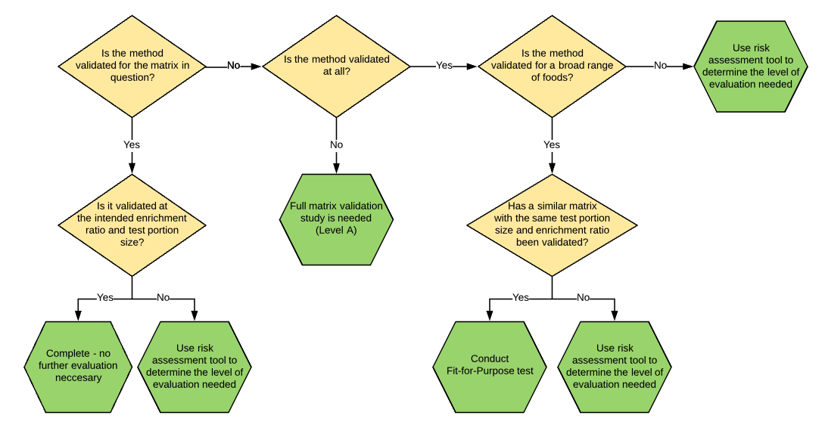

Prepared by the Validation and Verification interest group of the International Association of Food Protection's Applied Laboratory Methods Professional Development Group, co-chairs, Megan S. Brown (Eurofins Microbiology) and Stephanie Pollard (Clear Labs, Inc.).
Contributing Authors:
Patrick Bird; PMB BioTek Consulting, West Chester, OH
Megan Brown, Eurofins Microbiology Laboratories, Inc., Madison WI
Sharon L. Brunelle, Brunelle Biotech Consulting, Corvallis, OR
W. Evan Chaney, Diamond V, Cedar Rapids, IA
Charles Kennett, TreeHouse Foods, Oak Brook IL
J. David Legan, Eurofins Microbiology Laboratories, Inc., Madison WI
Ryan D. Maus, Deibel Laboratories, Inc., Lincolnwood, IL
Stephanie Pollard, Clear Labs, Inc., San Carlos, CA
Laurie Post, Deibel Laboratories, Inc., Lincolnwood, IL
Alexandria VanAusdall, Eurofins Microbiology Laboratories, Inc., Madison WI

© IAFP 2020 Permission is granted to copy this workbook for personal use, or for professional use to support your consideration and decision-making on the evaluation needed when applying a method to a new matrix. The contributing authors reserve the right to revise and reissue including in other formats. Copying for any other purpose requires expressed consent in writing from IAFP or its delegate.

Acknowledgements:
The group would like to thank Thomas Hammack, Senior Policy Analyst for Microbiology at the Center for Food Safety and Applied Nutrition (CFSAN), for his critical input and support.

Disclaimer
Every care has been taken to use the best current scientific knowledge regarding microbiological method suitability. This tool is provided to help users to think through the circumstances surrounding any particular matrix and guide users towards appropriate actions. However, the user accepts all responsibility for the final decision that they take, and any consequences arising therefrom.

Next:

Go to method assessment

